Boiler MCC distribution
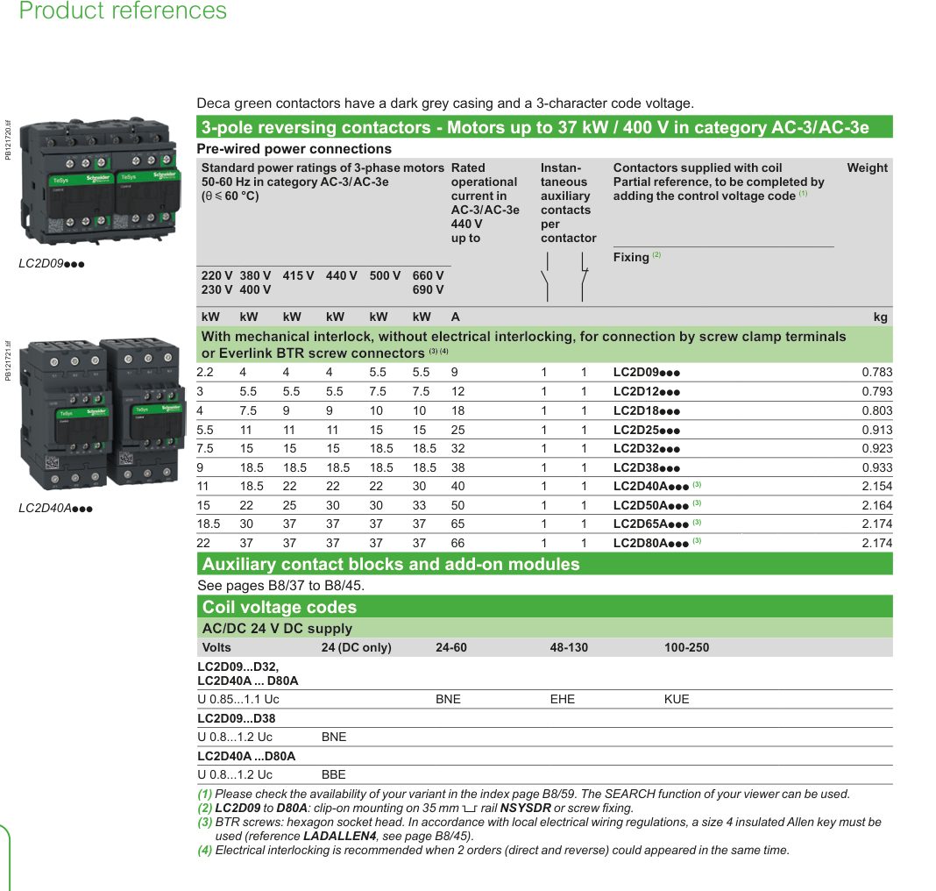
Napomena | Boiler MCC 4LKD001AR |  | BOILER/LOW VOLTAGE CABINET BOILER (NORMAL) | CHAUDIÈRE/ARMOIRE BASSE TENSION CHAUDIÈRE (NORMALE) |  |  |  |  |  |  | spare 25% -> postavljeno 30% |  |  | 25kA! | 36kA |  |  |  |  |  | prema tablici
 | Oznaka EPLAN | KKS prekidača | KKS NEW | KKS NEW - prijevod | PID | 1Ph/3Ph | V | kW | EPLAN kW | kA | Struja motora [A] | Simultaneity factor in maximal normal mode [%] | Struja prekidača s faktorom [A] | Dovodni prekidač/rastavljač SIEMENS | Dovodni prekidač/rastavljač SCHNEIDER | Reverzibilni | Soft starter SIEMENS | Frekventni | Motorna zaštita Schneider | Motorna zaštita A Schneider | Sklopnik minimum 12A Schneider | 1F Strujni trafo ampermetar | Mjerni strujni trafo za 3F el. Measurement - Socomec | Dozemni spoj - Socomec | Mjerni strujni trafo za 3F el. Measurement - Siemens | Dozemni spoj - Siemens | Prekidač za 230VAC | Prekidač za 48VAC | RELEJ 48VAC minimum 6A | RELEJ 230VAC minimum 6A | Safety relay | Tip kabela | Strujno opterećenje kabela | vanjski promjer kabela | Rastavna sklopka | Proizvođač motora | Klematura | Napomena
 | ORMAR 1 2100+200x1000x600 | =4LKD001AR+4LKD001AR |  |  |  |  |  |  |  |  | 213.29 A |  | 163.88 A | 3KD3632-0NE10-0(200A) SIE.3KD9103-5 (AUX) 3KD9204-7 (cable cover) | C25B3TM250 + LV432597T + 2x LV432593
 |  |  |  |  |  |  |  |  |  |  |  |  |  |  | INS 250 - 31106 29450 (NO/NC) 2xLV429518 (cover) |  |  |  |  |  |  |  |  |  |  |  |  |  |  |  |  |  |  |  | LV481453 -> ispod ide odvodnik prenapona
 |  | Predikač prije odvodnika - |  |  |  |  |  |  |  |  |  |  |  |  |  |  |  |  |  |  |  |  | 3x 48290573
 |  | Odvodnik prenapona - 5SD7473-1
 |  | Nadzor faza - 3UG5514-1BR20
 |  | Okretno polje -
 | ORMAR 2 2100+200x1000x600 | =4LKD001AR+4LKD002AR |  |  |  |  |  | 23.00 kW | 23.00 kW |  | 53.55 A |  | 22.36 A | 3VA1063-3ED32-0AA0 - 63A 3VA9988-0AA12 AUX 1CO 3VA9157-0EK11 Rotary 3VA9152-0WA00 phase barrier -> 2 kom 3VA9111-0WD30 mala zaštita odozgora 3VA9113-0JF60 distri odozdola i izolacija | C10F3TM100 - 100A 36kA +29450 (1CO) +LV429337T (rotary) +LVS04033 (distriblock dole) +LV429517 (duga zaštita)
 | -F11 - SPARE | SPARE BIO JE: [4 SDX 001 PO] FAST FILING PUMP |  |  |  |  |  |  |  |  |  |  |  |  |  |  |  |  |  |  |  |  |  |  |  |  |  |  |  |  |  |  |  |  | LV481603 + GS1AH103 + ZBE101 + GS1AM110
 | -F12 | 4 FES 004 MO | [4 FES 004 MO] MAIN CLOSED CHAIN CONVEYOR | CONVOYEUR PRINCIPAL À CHAÎNE FERMÉ | Ash system | 3Ph | 400 V | 1.50 kW | 1.50 kW |  | 2.17 A | 80 % | 1.74 A |  |  | ☑ |  |  | GV2P08 GVAE11 (NC+NO) GVAD0110 (NC fault + NO) | 2.5 - 4 A | 2x LC1D12P7 (1NO+1NC) 2x LADN31 (3NO+1NC) 2x LAD4RCU (RC) LAD9R1V (intelock blokada) |  |  | 47506015 |  | 3UF7011-1AU00-1 - base unit 3UF7510-1AA00-0 - ground fault 3UL2302-1A - trafo 35mm | A9F74202 | A9F74202 | RXM4AB2E7 RXZE2S114M RXM021BN | LZS:PT5A5T30 LZS:PTMU0730 | XPSBAC34AP | U1000R2V 4G2,5 | 32.00 A | 11.10 mm | LV481603 + GS1AH103 + ZBE101 + GS1AM110 | NORD
 | -F13 | 4 FES 002 MO | [4 FES 002 MO] REVERSING SCREW CONVEYOR BELOW EX. ECO | CONVOYEUR À VIS SOUS L'ÉCO | Ash system | 3Ph | 400 V | 1.50 kW | 1.50 kW |  | 2.17 A | 80 % | 1.74 A |  |  | ☑ |  |  | GV2P08 GVAE11 (NC+NO) GVAD0110 (NC fault + NO) | 2.5 - 4 A | 2x LC1D12P7 (1NO+1NC) 2x LADN31 (3NO+1NC) 2x LAD4RCU (RC) LAD9R1V (intelock blokada) |  |  | 47506015 |  | 3UF7011-1AU00-1 - base unit 3UF7510-1AA00-0 - ground fault 3UL2302-1A - trafo 35mm | A9F74202 | A9F74202 | RXM4AB2E7 RXZE2S114M RXM021BN | LZS:PT5A5T30 LZS:PTMU0730 | XPSBAC34AP | U1000R2V 4G2,5 | 32.00 A | 11.10 mm | LV481603 + GS1AH103 + ZBE101 + GS1AM110 | NORD
 | -F14 | 4FGO-CR-101 | BURNER SYSTEM | SYSTEME DE BRÛLEUR |  | 3Ph | 400 V | 20.00 kW | 20.00 kW |  | 28.90 A | 20 % | 5.78 A | C10F3TM032 - 32A +29450 (1CO) +LV429337T (rotary) +2x LV429517 (duga zaštita) | NG125 - 18727 - 32A +19072 (1CO) |  |  |  |  |  |  |  |  | 47506015 |  |  |  |  |  |  |  | U1000R2V 4G6 |  | 14.30 mm
 | -F15 | 4 FES 005 MO | [4 FES 005 MO] OVERBAND MAGNETIC SEPARATOR | SEPARATEUR MAGNETIQUE |  | 3Ph | 400 V |  |  |  |  |  |  | C10B3TM016 - 16A +29450 (1CO) +LV429337T (rotary) +2x LV429517 (duga zaštita) | NG125 - 18724 - 16A +19072 (1CO) |  |  |  |  |  |  |  |  | 47506015 |  |  |  |  |  |  |  | U1000R2V 4G2,5 |  | 11.10 mm |  | NORD
 | -F16 | 4 FDR 005 BJ | COOLING OIL PUMP AND FAN MOTOR | POMPE À HUILE DE REFROIDISSEMENT ET MOTEUR DE VENTILATEUR |  | 3Ph | 400 V | 1.50 kW | 1.50 kW |  | 2.17 A | 100 % | 2.17 A | C10B3TM016 - 16A +29450 (1CO) +LV429337T (rotary) +2x LV429517 (duga zaštita) | NG125 - 18724 - 16A +19072 (1CO) |  |  |  | Možda 10.04.2026. GV2P08 GVAE11 (NC+NO) GVAD0110 (NC fault + NO) | 2.5 - 4 A | Možda 10.04.2026. LC1D12P7 (1NO+1NC) LADN31 (3NO+1NC) LAD4RCU (RC) |  |  | 47506015 |  |  |  |  |  |  |  | U1000R2V 4G2,5 |  | 11.10 mm
 | -F17 | 4 SAR 200 BC | PNEUMATIC RAPPING SYSTEM | SYSTÈME DE RAPPEL PNEUMATIQUE |  | 3Ph | 400 V |  |  |  |  |  |  | C10B3TM016 - 16A +29450 (1CO) +LV429337T (rotary) +2x LV429517 (duga zaštita) | NG125 - 18724 - 16A +19072 (1CO) |  |  |  |  |  |  |  |  | 47506015 |  |  |  |  |  |  |  | U1000R2V 4G2,5 |  | 11.10 mm
 | -F18 | 4 FES 100 BC | WATER SPRAYING SYSTEM | SYSTÈME DE PULVÉRISATION D'EAU |  | 3Ph | 400 V | 4.00 kW | UBACITI U SHEME i naručiti opremu |  | 5.78 A | 100 % | 5.78 A | C10B3TM016 - 16A +29450 (1CO) +LV429337T (rotary) +2x LV429517 (duga zaštita) | NG125 - 18724 - 16A +19072 (1CO) |  |  |  |  |  |  |  |  | 47506015 |  |  |  |  |  |  |  | U1000R2V 4G2,5 |  | 11.10 mm
 | -F19 |  | SPARE (prazni prostor za izvod, samo prekidač)
 | -F19.1 |  | SPARE (prazni prostor za izvod, samo prekidač)
 | -F19.2 |  | SPARE (prazni prostor za izvod, samo prekidač)
 | ORMAR 3 2100+200x1000x600 | =4LKD001AR+4LKD003AR |  |  |  |  |  | 9.50 kW | 9.50 kW |  | 35.70 A |  | 33.07 A | 3VA1063-3ED32-0AA0 - 63A 3VA9988-0AA12 AUX 1CO 3VA9157-0EK11 Rotary 3VA9152-0WA00 phase barrier -> 2 kom 3VA9111-0WD30 mala zaštita odozgora 3VA9113-0JF60 distri odozdola i izolacija | C10F3TM032 + LV429337T + LVS04033 +LV429515
 | -F21 | 4 FES 008 MO | [4 FES 008 MO] BELT CONVEYOR FOR BOTTOM ASH | CONVOYEURS À BANDES APRÈS EXTRACTEURS À MÂCHEFERS | Ash system | 3Ph | 400 V | 5.50 kW | 5.50 kW |  | 7.95 A | 80 % | 6.36 A |  |  | ☑ |  |  | GV2P16 GVAE11 (NC+NO) GVAD0110 (NC fault + NO) | 9 - 14 A | 2x LC1D12P7 (1NO+1NC) 2x LADN31 (3NO+1NC) 2x LAD4RCU (RC) LAD9R1V (intelock blokada) |  |  | 47506015 |  | 3UF7011-1AU00-1 - base unit 3UF7510-1AA00-0 - ground fault 3UL2302-1A - trafo 35mm | A9F74202 | A9F74202 | RXM4AB2E7 RXZE2S114M RXM021BN | LZS:PT5A5T30 LZS:PTMU0730 | XPSBAC34AP | U1000R2V 4G25 | 42.00 A | 22.80 mm | LV481603 + GS1AH103 + ZBE101 + GS1AM110 | NORD
 | -F22 | 4 FES 038 MO | [4 FES 038 MO] ASH CRUSHER BELOW EX. ECO | BROYEUR DE CENDRES SOUS L'ÉCO | Ash system | 3Ph | 400 V | 4.00 kW | 4.00 kW |  | 5.78 A | 100 % | 5.78 A |  |  | ☑ | 3RW4024-1BB14 |  | GV2P14 GVAE11 (NC+NO) GVAD0110 (NC fault + NO) | 6 - 10 A | 2x LC1D12P7 (1NO+1NC) 2x LADN31 (3NO+1NC) 2x LAD4RCU (RC) LAD9R1V (intelock blokada) |  |  | 47506015 |  | 3UF7011-1AU00-1 - base unit 3UF7510-1AA00-0 - ground fault 3UL2302-1A - trafo 35mm | A9F74202 | A9F74202 | RXM4AB2E7 RXZE2S114M RXM021BN | LZS:PT5A5T30 LZS:PTMU0730 | XPSBAC34AP | U1000R2V 4G2,5 | 32.00 A | 11.10 mm | LV481603 + GS1AH103 + ZBE101 + GS1AM110 | NORD
 | -F23 | 4 FES 040 MO | [4 FES 040 MO] ASH CRUSHER BELOW SH 3 | BROYEUR DE CENDRES SOUS LE SH 3 | Ash system | 3Ph | 400 V | 4.00 kW | 4.00 kW |  | 5.78 A | 100 % | 5.78 A |  |  | ☑ | 3RW4024-1BB14 |  | GV2P14 GVAE11 (NC+NO) GVAD0110 (NC fault + NO) | 6 - 10 A | 2x LC1D12P7 (1NO+1NC) 2x LADN31 (3NO+1NC) 2x LAD4RCU (RC) LAD9R1V (intelock blokada) |  |  | 47506015 |  | 3UF7011-1AU00-1 - base unit 3UF7510-1AA00-0 - ground fault 3UL2302-1A - trafo 35mm | A9F74202 | A9F74202 | RXM4AB2E7 RXZE2S114M RXM021BN | LZS:PT5A5T30 LZS:PTMU0730 | XPSBAC34AP | U1000R2V 4G2,5 | 32.00 A | 11.10 mm | LV481603 + GS1AH103 + ZBE101 + GS1AM110 | NORD
 | -F24 | 4 FES 050 MO | [4 FES 050 MO] CLOSED CHAIN CONVEYOR UNDER ECO | CONVOYEUR À CHAÎNE SOUS L'ÉCO | Ash system | 3Ph | 400 V | 1.50 kW | 1.50 kW |  | 2.17 A | 80 % | 1.74 A |  |  | ☑ |  |  | GV2P08 GVAE11 (NC+NO) GVAD0110 (NC fault + NO) | 2.5 - 4 A | 2x LC1D12P7 (1NO+1NC) 2x LADN31 (3NO+1NC) 2x LAD4RCU (RC) LAD9R1V (intelock blokada) |  |  | 47506015 |  | 3UF7011-1AU00-1 - base unit 3UF7510-1AA00-0 - ground fault 3UL2302-1A - trafo 35mm | A9F74202 | A9F74202 | RXM4AB2E7 RXZE2S114M RXM021BN | LZS:PT5A5T30 LZS:PTMU0730 | XPSBAC34AP | U1000R2V 4G2,5 | 32.00 A | 11.10 mm | LV481603 + GS1AH103 + ZBE101 + GS1AM110 | NORD
 | -F25 | 4 FDR 009 MO | CHAIN CONVEYOR FOR BOTTOM ASH | CONVOYEUR À CHAINE VERS ÉVACUATION DES CENDRES SOUS CHAUDIÈRE | Ash system | 3Ph | 400 V | 4.00 kW | 4.00 kW |  | 5.78 A | 100 % | 5.78 A |  |  | ☑ |  |  | GV2P14 GVAE11 (NC+NO) GVAD0110 (NC fault + NO) | 6 - 10 A | 2x LC1D12P7 (1NO+1NC) 2x LADN31 (3NO+1NC) 2x LAD4RCU (RC) LAD9R1V (intelock blokada) |  |  | 47506015 |  |  | A9F74202 | A9F74202 | RXM4AB2E7 RXZE2S114M RXM021BN | LZS:PT5A5T30 LZS:PTMU0730 | XPSBAC34AP | U1000R2V 4G2,5 | 32.00 A | 11.10 mm
 | -F26 |  | SPARE (prazni prostor)
 | ORMAR 4 2100+200x1000x600 | =4LKD001AR+4LKD004AR |  |  |  |  |  | 17.00 kW | 17.00 kW |  | 31.95 A |  | 23.88 A | 3VA1063-3ED32-0AA0 - 63A 3VA9988-0AA12 AUX 1CO 3VA9157-0EK11 Rotary 3VA9152-0WA00 phase barrier -> 2 kom 3VA9111-0WD30 mala zaštita odozgora 3VA9113-0JF60 distri odozdola i izolacija | C10F3TM032 + LV429337T + LVS04033 +LV429515
 | -F31 | 4 FES 024 MO | [4 FES 024 MO] CHAIN CONVEYOR FOR DISTRIBUTION | CONVOYEUR À CHAINE VERS HALL DE STOCKAGE MÂCHEFERS | Ash system | 3Ph | 400 V | 5.50 kW | 5.50 kW |  | 7.95 A | 100 % | 7.95 A | NOVO |  | ☑ |  |  | GV2P16 GVAE11 (NC+NO) GVAD0110 (NC fault + NO) | 9 - 14 A | 2x LC1D12P7 (1NO+1NC) 2x LADN31 (3NO+1NC) 2x LAD4RCU (RC) LAD9R1V (intelock blokada) |  |  | 47506015 |  | 3UF7011-1AU00-1 - base unit 3UF7510-1AA00-0 - ground fault 3UL2302-1A - trafo 35mm | A9F74202 | A9F74202 | RXM4AB2E7 RXZE2S114M RXM021BN | LZS:PT5A5T30 LZS:PTMU0730 | XPSBAC34AP | U1000R2V 4G2,5 | 42.00 A | 11.10 mm | LV481603 + GS1AH103 + ZBE101 + GS1AM110 | NORD
 | -F32 | 4 FES 012 MO | [4 FES 012 MO] ROTARY DISPENSER BELOW EX. ECO | SAS ROTATIF SOUS L'ÉCO | Ash system | 3Ph | 400 V | 3.00 kW | 3.00 kW |  | 4.34 A | 100 % | 4.34 A |  |  | ☑ |  |  | GV2P14 GVAE11 (NC+NO) GVAD0110 (NC fault + NO) | 6 - 10 A | 2x LC1D12P7 (1NO+1NC) 2x LADN31 (3NO+1NC) 2x LAD4RCU (RC) LAD9R1V (intelock blokada) |  |  | 47506015 |  | 3UF7011-1AU00-1 - base unit 3UF7510-1AA00-0 - ground fault 3UL2302-1A - trafo 35mm | A9F74202 | A9F74202 | RXM4AB2E7 RXZE2S114M RXM021BN | LZS:PT5A5T30 LZS:PTMU0730 | XPSBAC34AP | U1000R2V 4G2,5 | 32.00 A | 11.10 mm | LV481603 + GS1AH103 + ZBE101 + GS1AM110 | NORD
 | -F33 | 4 FES 014 MO | [4 FES 014 MO] ROTARY DISPENSER BELOW SH 3 | DISTRIBUTEUR ROTATIF SOUS LE SH 3 | Ash system | 3Ph | 400 V | 3.00 kW | 3.00 kW |  | 4.34 A | 100 % | 4.34 A |  |  | ☑ |  |  | GV2P14 GVAE11 (NC+NO) GVAD0110 (NC fault + NO) | 6 - 10 A | 2x LC1D12P7 (1NO+1NC) 2x LADN31 (3NO+1NC) 2x LAD4RCU (RC) LAD9R1V (intelock blokada) |  |  | 47506015 |  | 3UF7011-1AU00-1 - base unit 3UF7510-1AA00-0 - ground fault 3UL2302-1A - trafo 35mm | A9F74202 | A9F74202 | RXM4AB2E7 RXZE2S114M RXM021BN | LZS:PT5A5T30 LZS:PTMU0730 | XPSBAC34AP | U1000R2V 4G2,5 | 32.00 A | 11.10 mm | LV481603 + GS1AH103 + ZBE101 + GS1AM110 | NORD
 | -F34 | 4 FES 010 MO | [4 FES 010 MO] CLOSED CHAIN CONVEYOR FOR ASH DISPATCH | CONVOYEUR À CHAINE VERS ÉVACUATION DES CENDRES SOUS CHAUDIÈRE | Ash system | 3Ph | 400 V | 1.50 kW | 1.50 kW |  | 2.17 A | 80 % | 1.74 A |  |  | ☑ |  |  | GV2P08 GVAE11 (NC+NO) GVAD0110 (NC fault + NO) | 2.5 - 4 A | 2x LC1D12P7 (1NO+1NC) 2x LADN31 (3NO+1NC) 2x LAD4RCU (RC) LAD9R1V (intelock blokada) |  |  | 47506015 |  | 3UF7011-1AU00-1 - base unit 3UF7510-1AA00-0 - ground fault 3UL2302-1A - trafo 35mm | A9F74202 | A9F74202 | RXM4AB2E7 RXZE2S114M RXM021BN | LZS:PT5A5T30 LZS:PTMU0730 | XPSBAC34AP | U1000R2V 4G2,5 | 32.00 A | 11.10 mm | LV481603 + GS1AH103 + ZBE101 + GS1AM110 | NORD
korigiran potrošač 13.07.2026. | -F35 | BIO JE: SPARE (prazan prostor) 4SAR902MO | [4SAR902MO] FURNACE REFRACTORY COOLING FANS 1 | VENTILATEURS DE REFROIDISSEMENT RÉFRACTAIRES POUR FOURNAISE 1 |  | 3Ph | 400 V | 4.00 kW | 4.00 kW |  | 5.78 A |  |  |  |  |  |  |  | GV2P14 GVAE11 (NC+NO) GVAD0110 (NC fault + NO) | 6 - 10 A | LC1D12P7 (1NO+1NC) LADN31 (3NO+1NC) LAD4RCU (RC) |  |  | 47506015 |  |  |  | A9F74202 | A9F74202 | RXM4AB2E7 RXZE2S114M RXM021BN | LZS:PT5A5T30 LZS:PTMU0730 | XPSBAC34AP
 | -F36 |  | SPARE (prazni prostor)
 | ORMAR 5 2100+200x1000x600 | =4LKD001AR+4LKD005AR |  |  |  |  |  | 14.00 kW | 14.00 kW |  | 26.31 A |  | 26.31 A | 3VA1032-3ED32-0AA0 - 32A 3VA9988-0AA12 AUX 1CO 3VA9157-0EK11 Rotary 3VA9152-0WA00 phase barrier -> 2 kom 3VA9111-0WD30 mala zaštita odozgora 3VA9113-0JF60 distri odozdola i izolacija | C10F3TM032 + LV429337T + LVS04033 +LV429515
 | -F41 | 4 FES 042 MO | [4 FES 042 MO] ASH CRUSHER BELOW SH 2 | BROYEUR DE CENDRES SOUS LE SH 2 | Ash system | 3Ph | 400 V | 4.00 kW | 4.00 kW |  | 5.78 A | 100 % | 5.78 A |  |  | ☑ | 3RW4024-1BB14 |  | GV2P14 GVAE11 (NC+NO) GVAD0110 (NC fault + NO) | 6 - 10 A | 2x LC1D12P7 (1NO+1NC) 2x LADN31 (3NO+1NC) 2x LAD4RCU (RC) LAD9R1V (intelock blokada) |  |  | 47506015 |  | 3UF7011-1AU00-1 - base unit 3UF7510-1AA00-0 - ground fault 3UL2302-1A - trafo 35mm | A9F74202 | A9F74202 | RXM4AB2E7 RXZE2S114M RXM021BN | LZS:PT5A5T30 LZS:PTMU0730 | XPSBAC34AP | U1000R2V 4G2,5 | 32.00 A | 11.10 mm | LV481603 + GS1AH103 + ZBE101 + GS1AM110 | NORD
 | -F42 | 4 FES 044 MO | [4 FES 044 MO] ASH CRUSHER BELOW SH 1 | BROYEUR DE CENDRES SOUS LE SH 1 | Ash system | 3Ph | 400 V | 4.00 kW | 4.00 kW |  | 5.78 A | 100 % | 5.78 A |  |  | ☑ | 3RW4024-1BB14 |  | GV2P14 GVAE11 (NC+NO) GVAD0110 (NC fault + NO) | 6 - 10 A | 2x LC1D12P7 (1NO+1NC) 2x LADN31 (3NO+1NC) 2x LAD4RCU (RC) LAD9R1V (intelock blokada) |  |  | 47506015 |  | 3UF7011-1AU00-1 - base unit 3UF7510-1AA00-0 - ground fault 3UL2302-1A - trafo 35mm | A9F74202 | A9F74202 | RXM4AB2E7 RXZE2S114M RXM021BN | LZS:PT5A5T30 LZS:PTMU0730 | XPSBAC34AP | U1000R2V 4G2,5 | 32.00 A | 11.10 mm | LV481603 + GS1AH103 + ZBE101 + GS1AM110 | NORD
 | -F43 | 4 FES 016 MO | [4 FES 016 MO] ROTARY DISPENSER BELOW SH 2 | SAS ROTATIF SOUS LE SH 2 | Ash system | 3Ph | 400 V | 3.00 kW | 3.00 kW |  | 4.34 A | 100 % | 4.34 A |  |  | ☑ |  |  | GV2P14 GVAE11 (NC+NO) GVAD0110 (NC fault + NO) | 6 - 10 A | 2x LC1D12P7 (1NO+1NC) 2x LADN31 (3NO+1NC) 2x LAD4RCU (RC) LAD9R1V (intelock blokada) |  |  | 47506015 |  | 3UF7011-1AU00-1 - base unit 3UF7510-1AA00-0 - ground fault 3UL2302-1A - trafo 35mm | A9F74202 | A9F74202 | RXM4AB2E7 RXZE2S114M RXM021BN | LZS:PT5A5T30 LZS:PTMU0730 | XPSBAC34AP | U1000R2V 4G2,5 | 32.00 A | 11.10 mm | LV481603 + GS1AH103 + ZBE101 + GS1AM110 | NORD
 | -F44 | 4 FES 018 MO | [4 FES 018 MO] ROTARY DISPENSER BELOW SH 1 | SAS ROTATIF SOUS LE SH 1 | Ash system | 3Ph | 400 V | 3.00 kW | 3.00 kW |  | 4.34 A | 100 % | 4.34 A |  |  | ☑ |  |  | GV2P14 GVAE11 (NC+NO) GVAD0110 (NC fault + NO) | 6 - 10 A | 2x LC1D12P7 (1NO+1NC) 2x LADN31 (3NO+1NC) 2x LAD4RCU (RC) LAD9R1V (intelock blokada) |  |  | 47506015 |  | 3UF7011-1AU00-1 - base unit 3UF7510-1AA00-0 - ground fault 3UL2302-1A - trafo 35mm | A9F74202 | A9F74202 | RXM4AB2E7 RXZE2S114M RXM021BN | LZS:PT5A5T30 LZS:PTMU0730 | XPSBAC34AP | U1000R2V 4G2,5 | 32.00 A | 11.10 mm | LV481603 + GS1AH103 + ZBE101 + GS1AM110 | NORD
 | -F45 |  | SPARE (prazni prostor)
 | -F46 |  | SPARE (prazni prostor)
 | ORMAR 6 2100+200x1000x600 | =4LKD001AR+4LKD006AR |  |  |  |  |  | 14.00 kW | 14.00 kW |  | 33.83 A |  | 26.31 A | 3VA1032-3ED32-0AA0 - 32A 3VA9988-0AA12 AUX 1CO 3VA9157-0EK11 Rotary 3VA9152-0WA00 phase barrier -> 2 kom 3VA9111-0WD30 mala zaštita odozgora 3VA9113-0JF60 distri odozdola i izolacija | C10F3TM032 + LV429337T + LVS04033 +LV429515
 | -F51 | 4 FES 046 MO | [4 FES 046 MO] ASH CRUSHER BELOW ECO 1 | BROYEUR DE CENDRES SOUS L'ÉCO 1 | Ash system | 3Ph | 400 V | 4.00 kW | 4.00 kW |  | 5.78 A | 100 % | 5.78 A |  |  | ☑ | 3RW4024-1BB14 |  | GV2P14 GVAE11 (NC+NO) GVAD0110 (NC fault + NO) | 6 - 10 A | 2x LC1D12P7 (1NO+1NC) 2x LADN31 (3NO+1NC) 2x LAD4RCU (RC) LAD9R1V (intelock blokada) |  |  | 47506015 |  | 3UF7011-1AU00-1 - base unit 3UF7510-1AA00-0 - ground fault 3UL2302-1A - trafo 35mm | A9F74202 | A9F74202 | RXM4AB2E7 RXZE2S114M RXM021BN | LZS:PT5A5T30 LZS:PTMU0730 | XPSBAC34AP | U1000R2V 4G2,5 | 32.00 A | 11.10 mm | LV481603 + GS1AH103 + ZBE101 + GS1AM110 | NORD
 | -F52 | 4 FES 048 MO | [4 FES 048 MO] ASH CRUSHER BELOW ECO 2 | BROYEUR DE CENDRES SOUS L'ÉCO 2 | Ash system | 3Ph | 400 V | 4.00 kW | 4.00 kW |  | 5.78 A | 100 % | 5.78 A |  |  | ☑ | 3RW4024-1BB14 |  | GV2P14 GVAE11 (NC+NO) GVAD0110 (NC fault + NO) | 6 - 10 A | 2x LC1D12P7 (1NO+1NC) 2x LADN31 (3NO+1NC) 2x LAD4RCU (RC) LAD9R1V (intelock blokada) |  |  | 47506015 |  | 3UF7011-1AU00-1 - base unit 3UF7510-1AA00-0 - ground fault 3UL2302-1A - trafo 35mm | A9F74202 | A9F74202 | RXM4AB2E7 RXZE2S114M RXM021BN | LZS:PT5A5T30 LZS:PTMU0730 | XPSBAC34AP | U1000R2V 4G2,5 | 32.00 A | 11.10 mm | LV481603 + GS1AH103 + ZBE101 + GS1AM110 | NORD
 | -F53 | 4 FES 020 MO | [4 FES 020 MO] ROTARY DISPENSER BELOW ECO 1 | SAS ROTATIF SOUS L'ÉCO 1 | Ash system | 3Ph | 400 V | 3.00 kW | 3.00 kW |  | 4.34 A | 100 % | 4.34 A |  |  | ☑ |  |  | GV2P14 GVAE11 (NC+NO) GVAD0110 (NC fault + NO) | 6 - 10 A | 2x LC1D12P7 (1NO+1NC) 2x LADN31 (3NO+1NC) 2x LAD4RCU (RC) LAD9R1V (intelock blokada) |  |  | 47506015 |  | 3UF7011-1AU00-1 - base unit 3UF7510-1AA00-0 - ground fault 3UL2302-1A - trafo 35mm | A9F74202 | A9F74202 | RXM4AB2E7 RXZE2S114M RXM021BN | LZS:PT5A5T30 LZS:PTMU0730 | XPSBAC34AP | U1000R2V 4G2,5 | 32.00 A | 11.10 mm | LV481603 + GS1AH103 + ZBE101 + GS1AM110 | NORD
 | -F54 | 4 FES 022 MO | [4 FES 022 MO] ROTARY DISPENSER BELOW ECO 2 | SAS ROTATIF SOUS L'ÉCO 2 | Ash system | 3Ph | 400 V | 3.00 kW | 3.00 kW |  | 4.34 A | 100 % | 4.34 A |  |  | ☑ |  |  | GV2P14 GVAE11 (NC+NO) GVAD0110 (NC fault + NO) | 6 - 10 A | 2x LC1D12P7 (1NO+1NC) 2x LADN31 (3NO+1NC) 2x LAD4RCU (RC) LAD9R1V (intelock blokada) |  |  | 47506015 |  | 3UF7011-1AU00-1 - base unit 3UF7510-1AA00-0 - ground fault 3UL2302-1A - trafo 35mm | A9F74202 | A9F74202 | RXM4AB2E7 RXZE2S114M RXM021BN | LZS:PT5A5T30 LZS:PTMU0730 | XPSBAC34AP | U1000R2V 4G2,5 | 32.00 A | 11.10 mm | LV481603 + GS1AH103 + ZBE101 + GS1AM110 | NORD
korigiran potrošač 13.07.2026. | -F55 | BIO JE: SPARE (prazan prostor) | [4SAR908MO] FURNACE REFRACTORY COOLING FANS 2 | VENTILATEURS DE REFROIDISSEMENT RÉFRACTAIRES POUR FOURNAISE 2 |  | 3Ph | 400 V | 4.00 kW | 4.00 kW |  | 5.78 A |  |  |  |  |  |  |  | GV2P14 GVAE11 (NC+NO) GVAD0110 (NC fault + NO) | 6 - 10 A | LC1D12P7 (1NO+1NC) LADN31 (3NO+1NC) LAD4RCU (RC) |  |  | 47506015 |  |  |  | A9F74202 | A9F74202 | RXM4AB2E7 RXZE2S114M RXM021BN | LZS:PT5A5T30 LZS:PTMU0730 | XPSBAC34AP
 | -F56 |  | SPARE (prazni prostor)
 | ORMAR 7 2100+200x1000x600 -umjesto VFD ormara koji je premješten na emergency | =4LKD001AR+4LKD008AR novi 08.01.2026. |  |  |  |  |  | 17.00 kW | 0.00 kW |  | 31.95 A |  | 31.95 A | 3VA1032-3ED32-0AA0 - 32A 3VA9988-0AA12 AUX 1CO 3VA9157-0EK11 Rotary 3VA9152-0WA00 phase barrier -> 2 kom 3VA9111-0WD30 mala zaštita odozgora 3VA9113-0JF60 distri odozdola i izolacija | C10F3TM050 + LV429337T + LVS04033 +LV429515 50A je mislim dovoljno ako ješ popunimo spare
 | -F61 | 4 SEO 209 PO | [4 SEO 209 PO] WASTE WATER PUMP 1 | POMPE D'EAUX USÉES 1 ALIMENTATION PRINCIPALE | frekventni | 3Ph | 400 V | 3.00 kW | potrebno ucrtati i naručiti opremu |  | 4.34 A | 100 % | 4.34 A |  |  |  |  |  | GV2P14 GVAE11 (NC+NO) GVAD0110 (NC fault + NO) | 6 - 10 A | 2x LC1D12P7 (1NO+1NC) 2x LADN31 (3NO+1NC) 2x LAD4RCU (RC) LAD9R1V (intelock blokada) |  |  | 47506015 |  | 3UF7011-1AU00-1 - base unit 3UF7510-1AA00-0 - ground fault 3UL2302-1A - trafo 35mm | A9F74202 | A9F74202 | RXM4AB2E7 RXZE2S114M RXM021BN | LZS:PT5A5T30 LZS:PTMU0730 | XPSBAC34AP | U1000R2V 4G2,5 | 32.00 A | 11.10 mm | LV481603 + GS1AH103 + ZBE101 + GS1AM110 |  |  | DOL
 | -F62 | 4 SEO 264 PO | [4 SEO 264 PO] ASH PIT PUMP 1 | POMPE BOX MACHEFERS VERS EXTRACTEUR MÂCHEFERS 1 | frekventni | 3Ph | 400 V | 5.50 kW | potrebno ucrtati i naručiti opremu |  | 7.95 A | 100 % | 7.95 A |  |  |  |  |  | GV2P16 GVAE11 (NC+NO) GVAD0110 (NC fault + NO) | 9 - 14 A | 2x LC1D12P7 (1NO+1NC) 2x LADN31 (3NO+1NC) 2x LAD4RCU (RC) LAD9R1V (intelock blokada) |  |  | 47506015 |  | 3UF7011-1AU00-1 - base unit 3UF7510-1AA00-0 - ground fault 3UL2302-1A - trafo 35mm | A9F74202 | A9F74202 | RXM4AB2E7 RXZE2S114M RXM021BN | LZS:PT5A5T30 LZS:PTMU0730 | XPSBAC34AP | U1000R2V 4G2,5 | 32.00 A | 11.10 mm | LV481603 + GS1AH103 + ZBE101 + GS1AM110 |  |  | DOL
 | -F63 | 4 SEO 213 PO | [4 SEO 213 PO] WASTE WATER PUMP 2 | POMPE D'EAUX USÉES 2 ALIMENTATION PRINCIPALE | frekventni | 3Ph | 400 V | 3.00 kW | potrebno ucrtati i naručiti opremu |  | 4.34 A | 100 % | 4.34 A |  |  |  |  |  | GV2P14 GVAE11 (NC+NO) GVAD0110 (NC fault + NO) | 6 - 10 A | 2x LC1D12P7 (1NO+1NC) 2x LADN31 (3NO+1NC) 2x LAD4RCU (RC) LAD9R1V (intelock blokada) |  |  | 47506015 |  | 3UF7011-1AU00-1 - base unit 3UF7510-1AA00-0 - ground fault 3UL2302-1A - trafo 35mm | A9F74202 | A9F74202 | RXM4AB2E7 RXZE2S114M RXM021BN | LZS:PT5A5T30 LZS:PTMU0730 | XPSBAC34AP | U1000R2V 4G2,5 | 32.00 A | 11.10 mm | LV481603 + GS1AH103 + ZBE101 + GS1AM110 |  |  | DOL
 | -F64 | 4 SEO 269 PO | [4 SEO 269 PO] ASH PIT PUMP 2 | POMPE BOX MACHEFERS VERS EXTRACTEUR MÂCHEFERS 2 | frekventni | 3Ph | 400 V | 5.50 kW | potrebno ucrtati i naručiti opremu |  | 7.95 A | 100 % | 7.95 A |  |  |  |  |  | GV2P16 GVAE11 (NC+NO) GVAD0110 (NC fault + NO) | 9 - 14 A | 2x LC1D12P7 (1NO+1NC) 2x LADN31 (3NO+1NC) 2x LAD4RCU (RC) LAD9R1V (intelock blokada) |  |  | 47506015 |  | 3UF7011-1AU00-1 - base unit 3UF7510-1AA00-0 - ground fault 3UL2302-1A - trafo 35mm | A9F74202 | A9F74202 | RXM4AB2E7 RXZE2S114M RXM021BN | LZS:PT5A5T30 LZS:PTMU0730 | XPSBAC34AP | U1000R2V 4G2,5 | 32.00 A | 11.10 mm | LV481603 + GS1AH103 + ZBE101 + GS1AM110 |  |  | DOL
 | -F55 |  | SPARE (prazni prostor)
 | -F56 |  | SPARE (prazni prostor)

 | Širina | 8000 m

 |  |  | [4 SEO 209 PO] WASTE WATER PUMP 1 |  |  |  |  | 11.00 kW | nesto tu ne stima, treba provjeriti (29.06.26)
 |  |  | [4 SEO 213 PO] WASTE WATER PUMP 2 |  |  |  |  | 11.00 kW | nesto tu ne stima, treba provjeriti (29.06.26)

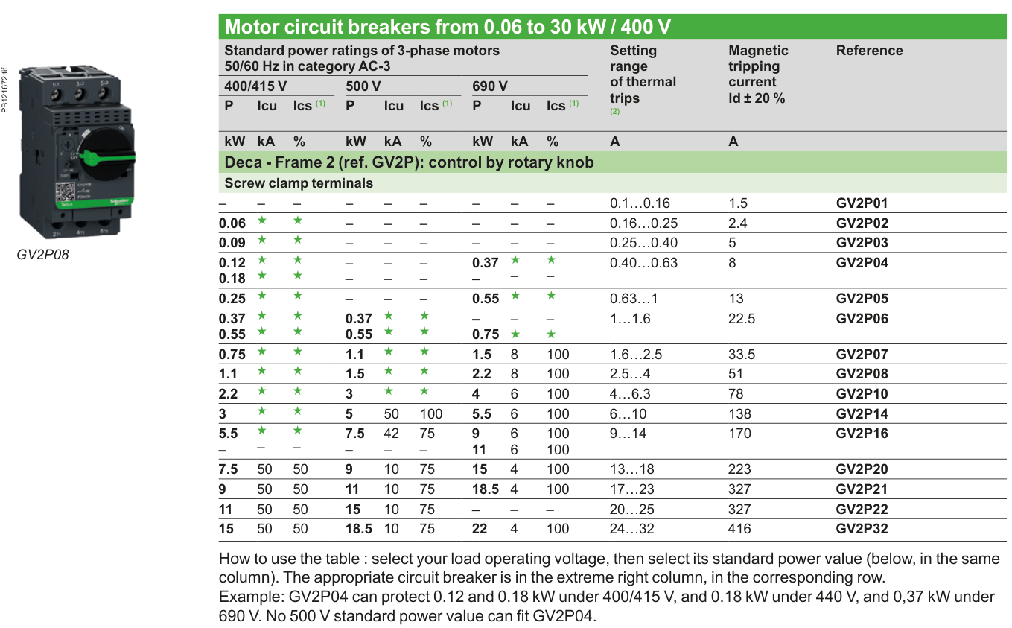

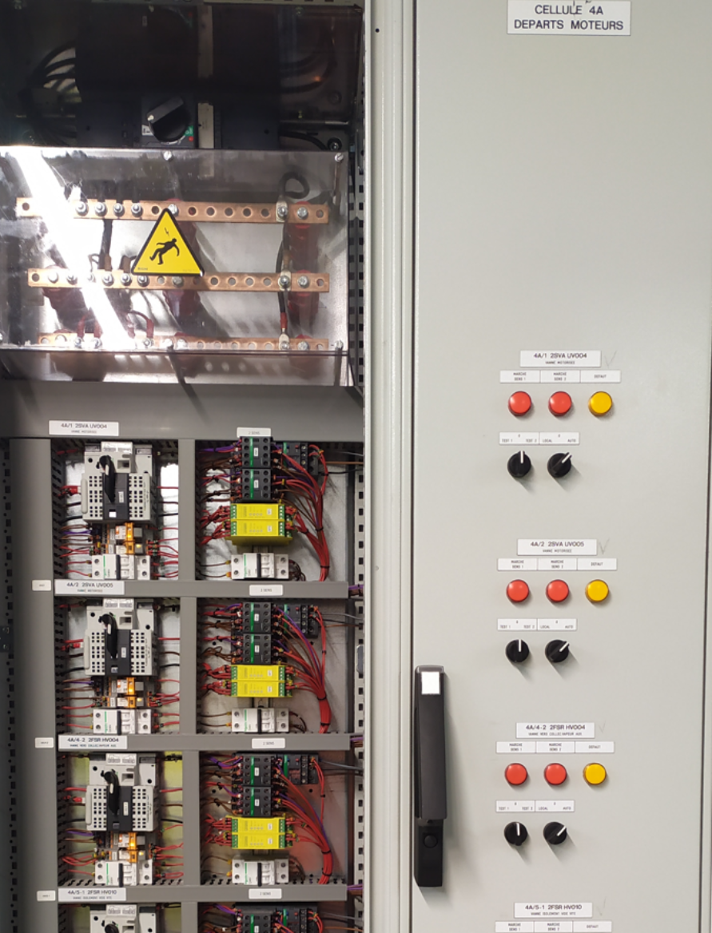
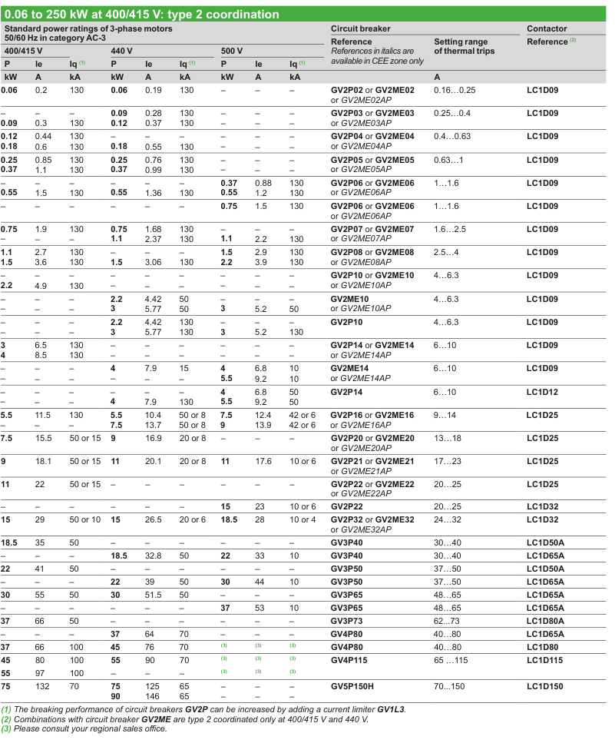
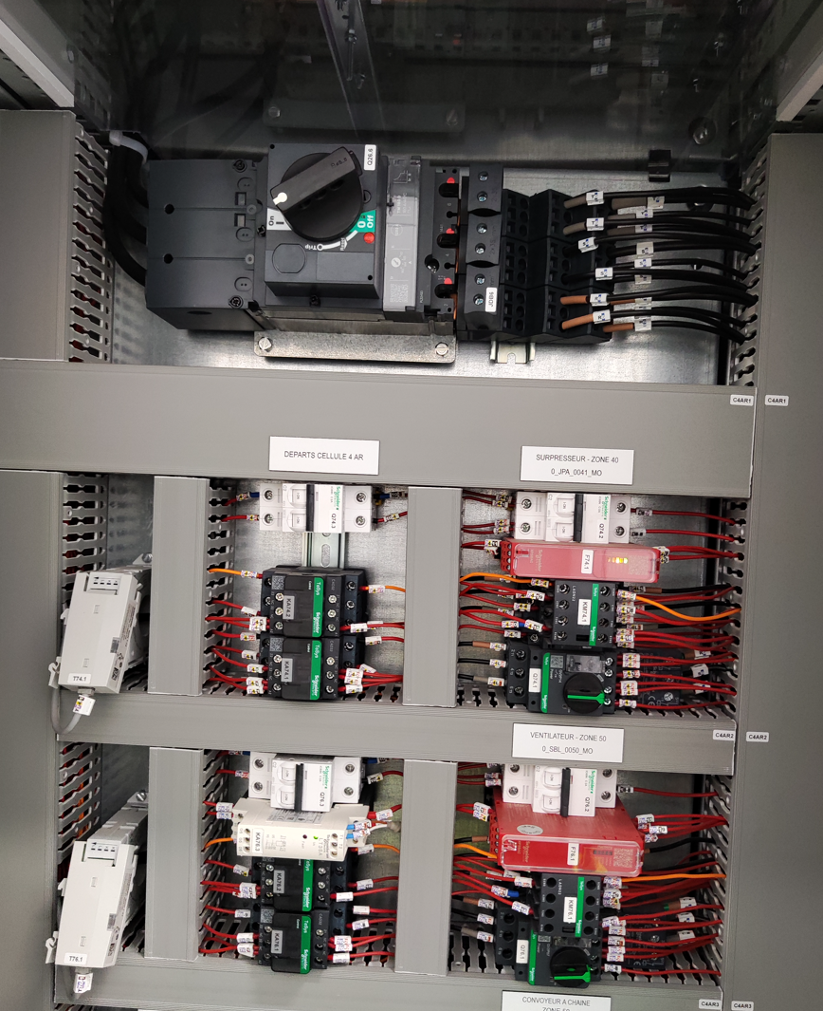
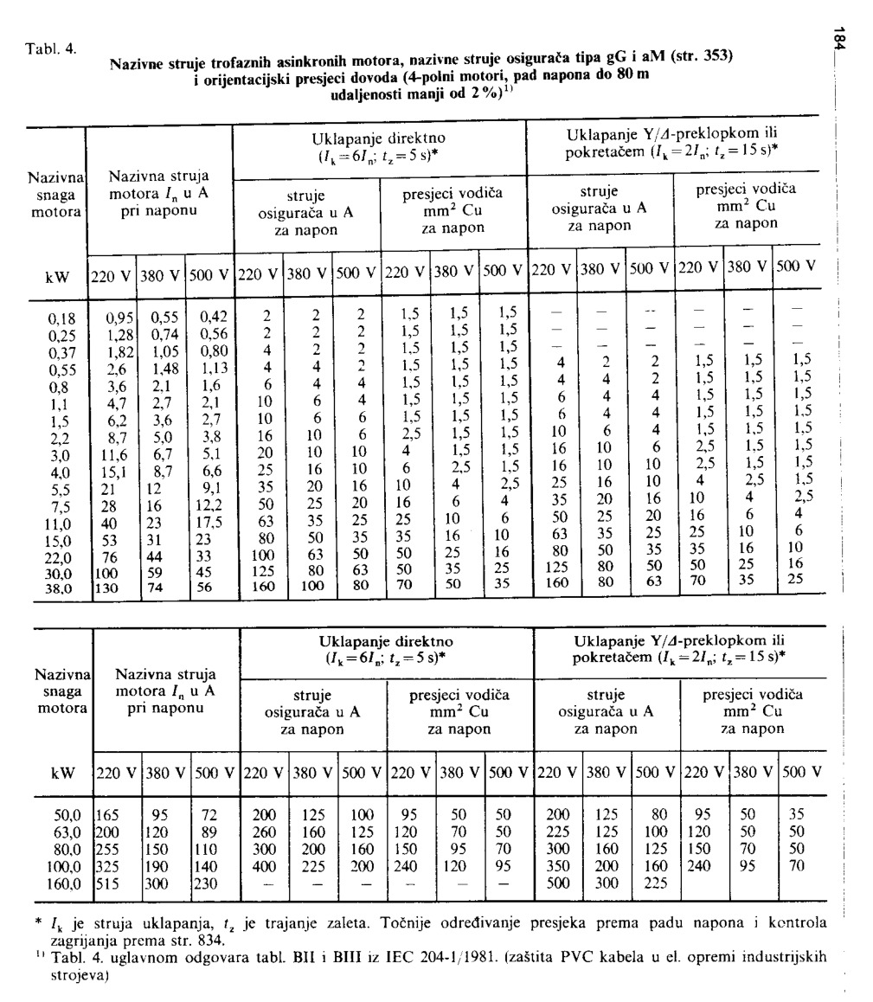

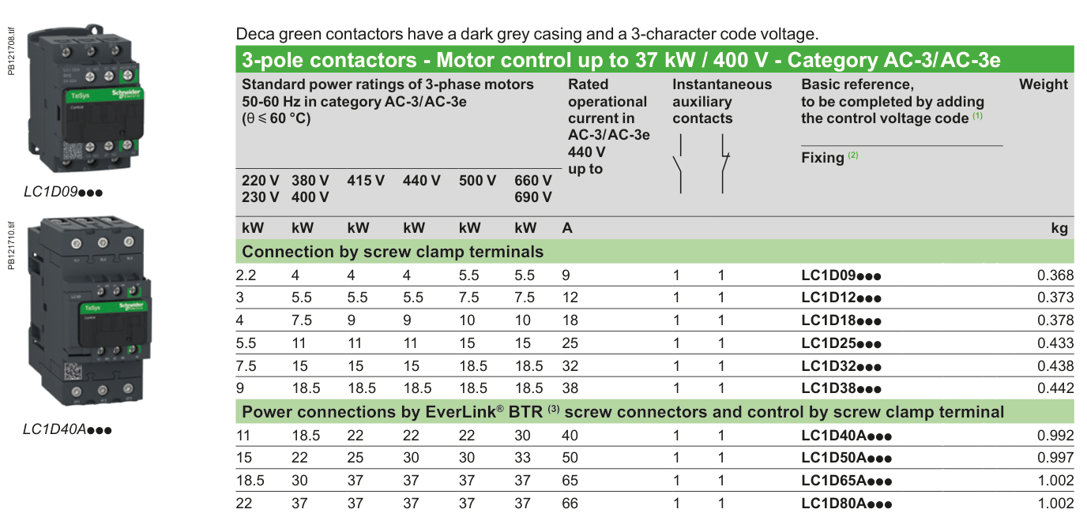

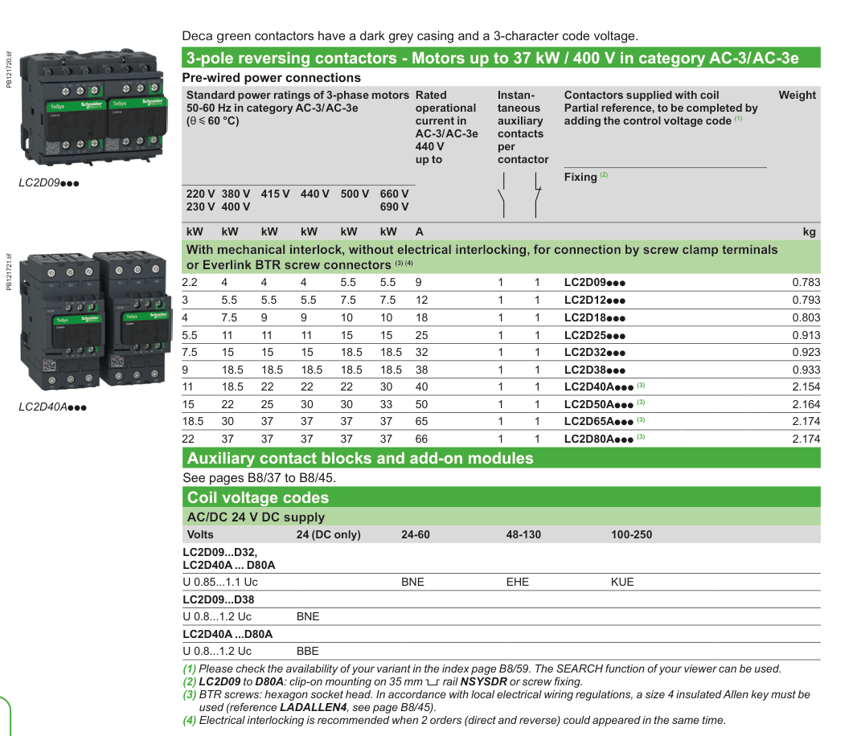

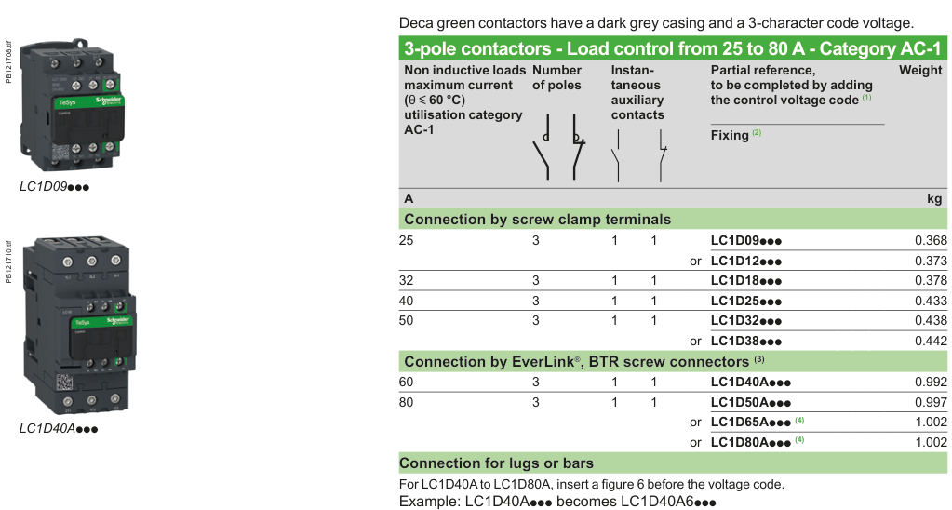

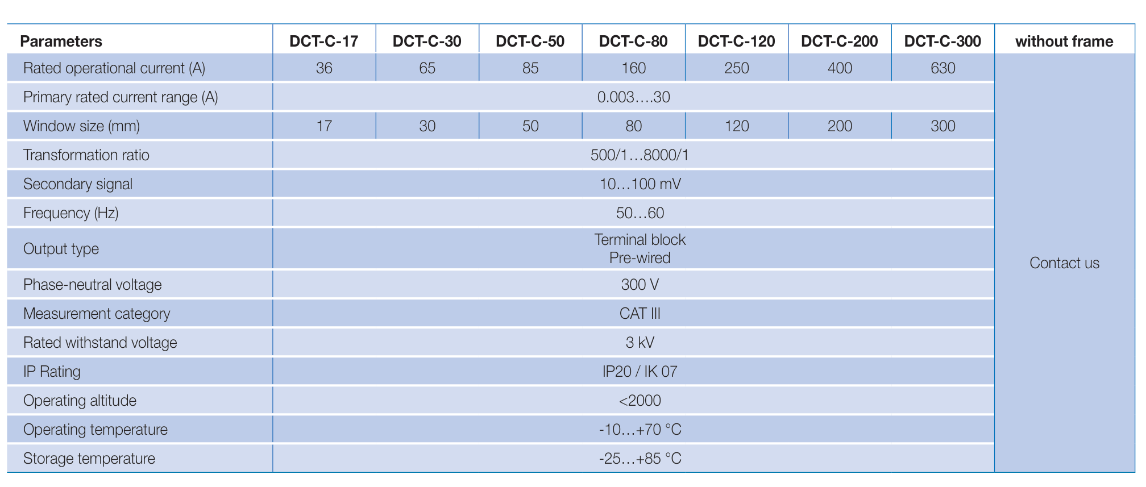

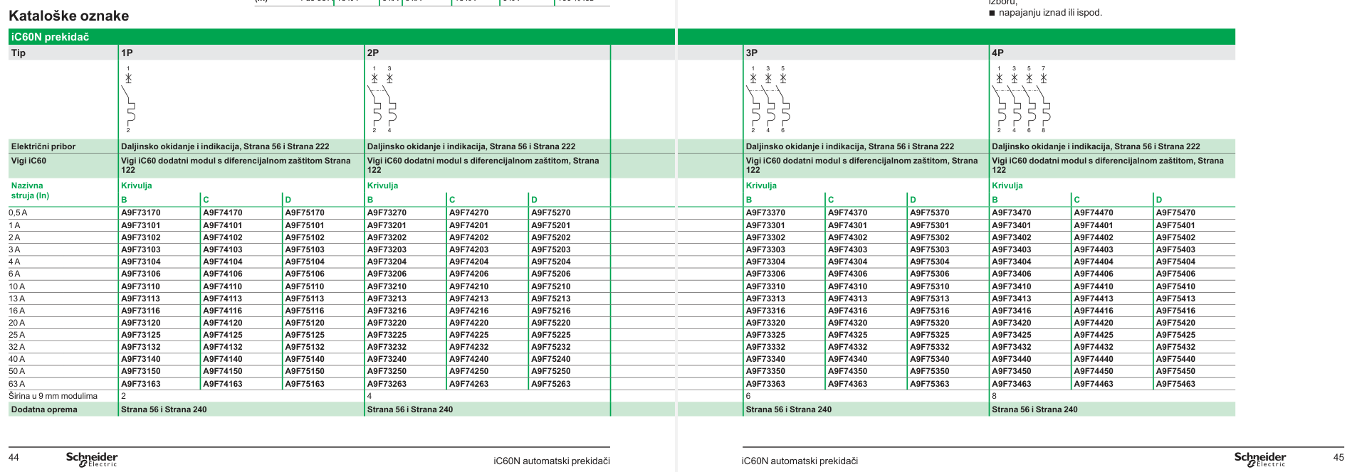

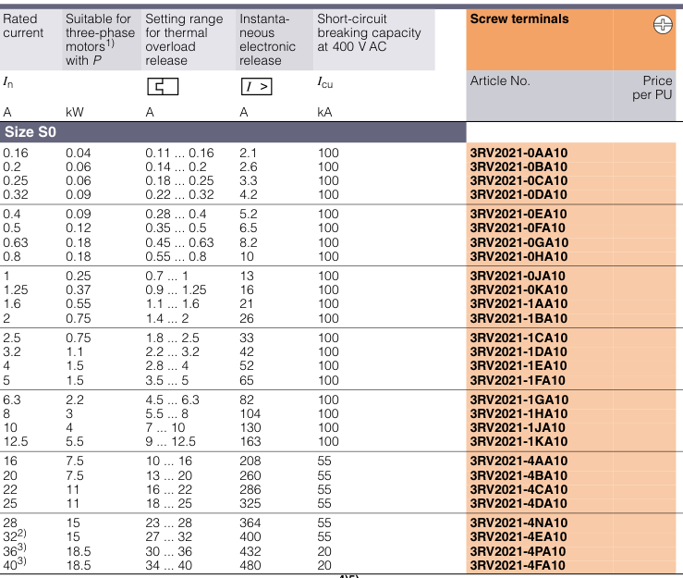
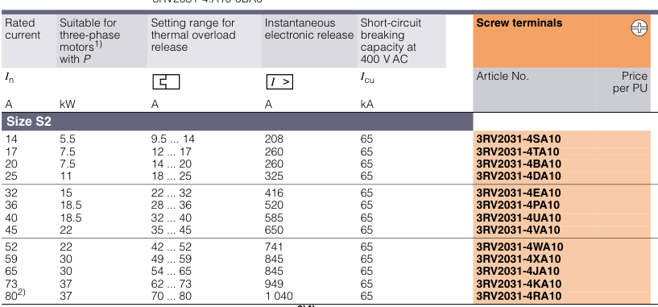

 |  |  |  | 3

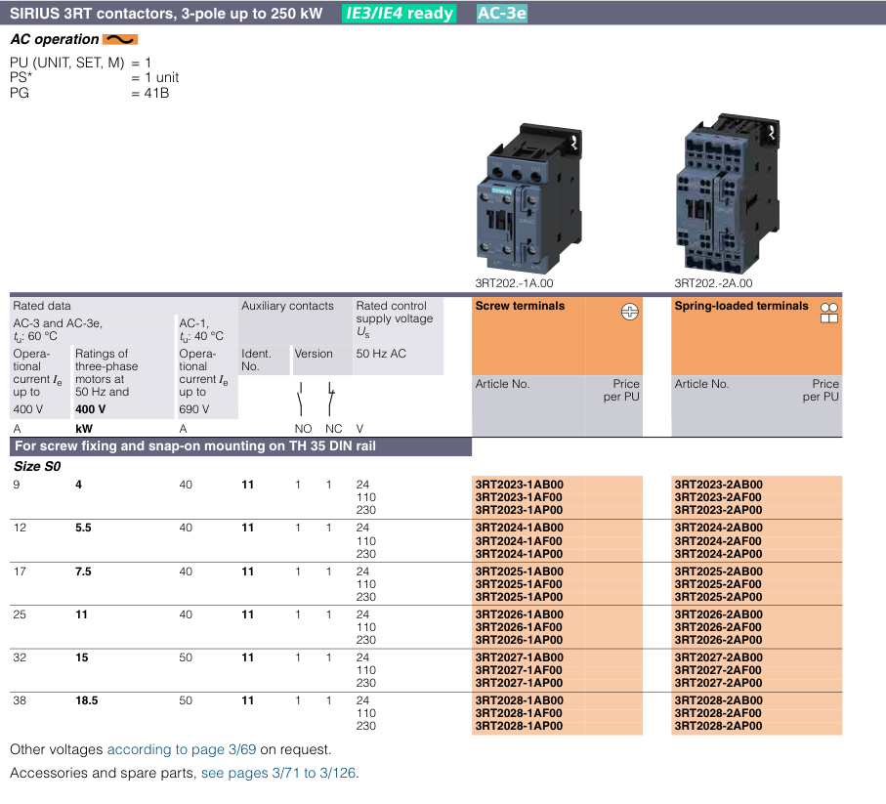
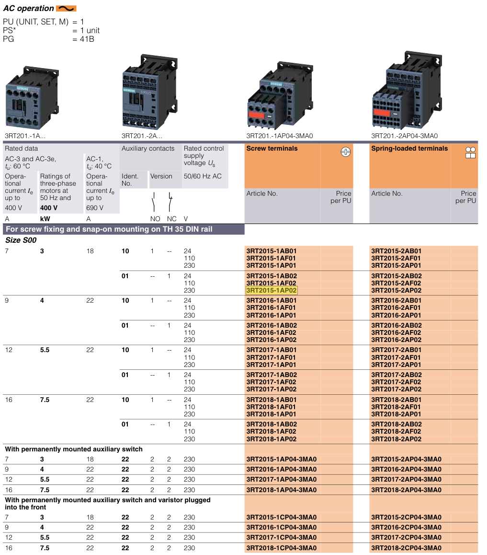

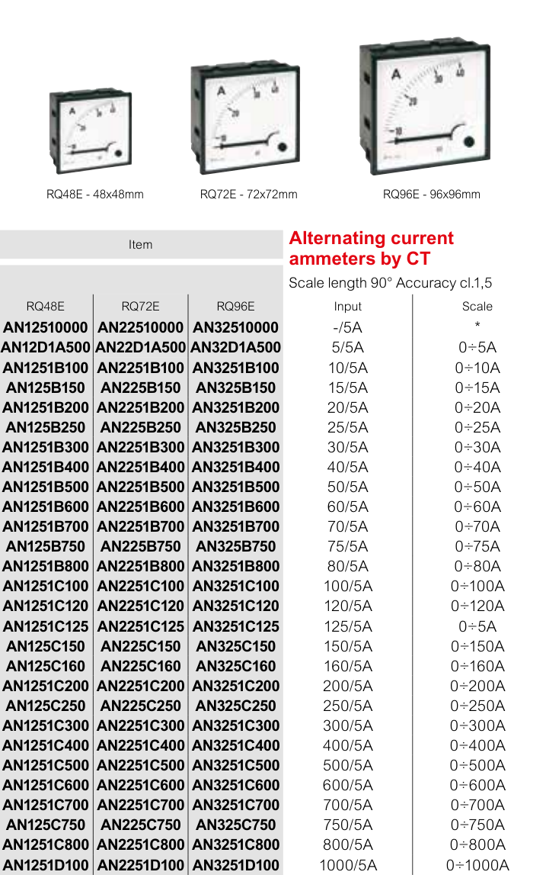

 | ORMAR 7 - VFD 2100+200x1600x600 | =4LKD001AR+4LKD007AR |  |  |  |  |  | 44.00 kW | 44.00 kW |  | 73.49 A |  | 73.49 A | 3VA1032-3ED32-0AA0 - 32A 3VA9988-0AA12 AUX 1CO 3VA9157-0EK11 Rotary 3VA9152-0WA00 phase barrier -> 2 kom 3VA9111-0WD30 mala zaštita odozgora 3VA9113-0JF60 distri odozdola i izolacija | C10F3TM032 + LV429337T + LVS04033 +LV429515
 | -F61 - SPARE | 4 SEO 209 PO | [4 SEO 209 PO] WASTE WATER PUMP 1 | POMPE D'EAUX USÉES 1 ALIMENTATION PRINCIPALE | frekventni | 3Ph | 400 V | 11.00 kW | 11.00 kW | 5 kA | 15.90 A | 100 % | 15.90 A | NSX 50A | C10F3TM050 + LV429515 + LV429515 |  |  | ☑ |  |  |  |  |  | 47506030
 | -F62 - SPARE | 4 SEO 264 PO | [4 SEO 264 PO] WASTE WATER BOTTOM ASH PIT DISCHARG PUMP 1 | POMPE DU RÉSERVOIR DE CENDRES 1 ALIMENTATION PRINCIPALE | frekventni | 3Ph | 400 V | 5.50 kW | 5.50 kW | 36 kA | 7.95 A | 100 % | 7.95 A | NSX 32A | C10F3TM032 + LV429515 + LV429515 |  |  | ☑ |  |  |  |  |  | 47506015
 | -F63 - SPARE | 4 SEO 213 PO | [4 SEO 213 PO] WASTE WATER PUMP 2 | POMPE D'EAUX USÉES 2 ALIMENTATION PRINCIPALE | frekventni | 3Ph | 400 V | 11.00 kW | 11.00 kW | 5 kA | 15.90 A | 0 % | 0.00 A | NSX 50A | C10F3TM050 + LV429515 + LV429515 |  |  | ☑ |  |  |  |  |  | 47506030
 | -F64 - SPARE | 4 SEO 269 PO | [4 SEO 269 PO] WASTE WATER BOTTOM ASH PIT DISCHARG PUMP 2 | POMPE DU RÉSERVOIR DE CENDRES 2 ALIMENTATION PRINCIPALE | frekventni | 3Ph | 400 V | 5.50 kW | 5.50 kW | 36 kA | 7.95 A | 100 % | 7.95 A | NSX 32A | C10F3TM032 + LV429515 + LV429515 |  |  | ☑ |  |  |  |  |  | 47506015
 | -F65 NOVE | 4 FGO 003 MO | 4 FGO 003 MO LIGHT FUEL OIL PUMP 1 | 4 FGO 003 MO POMPE À FIOUL LÉGER 1 | frekventni | 3Ph | 400 V | 5.50 kW | 5.50 kW | 36 kA | 7.95 A | 100 % | 7.95 A | NSX 32A | C10F3TM032 + LV429515 + LV429515 |  |  | ☑ |  |  |  |  |  | 47506015
 | -F65 NOVE | 4 FGO 004 MO | 4 FGO 004 MO LIGHT FUEL OIL PUMP 2 | 4 FGO 004 MO POMPE À FIOUL LÉGER 2 | frekventni | 3Ph | 400 V | 5.50 kW | 5.50 kW | 36 kA | 7.95 A | 100 % | 7.95 A | NSX 32A | C10F3TM032 + LV429515 + LV429515 |  |  | ☑ |  |  |  |  |  | 47506015

Stopice i uvodnice
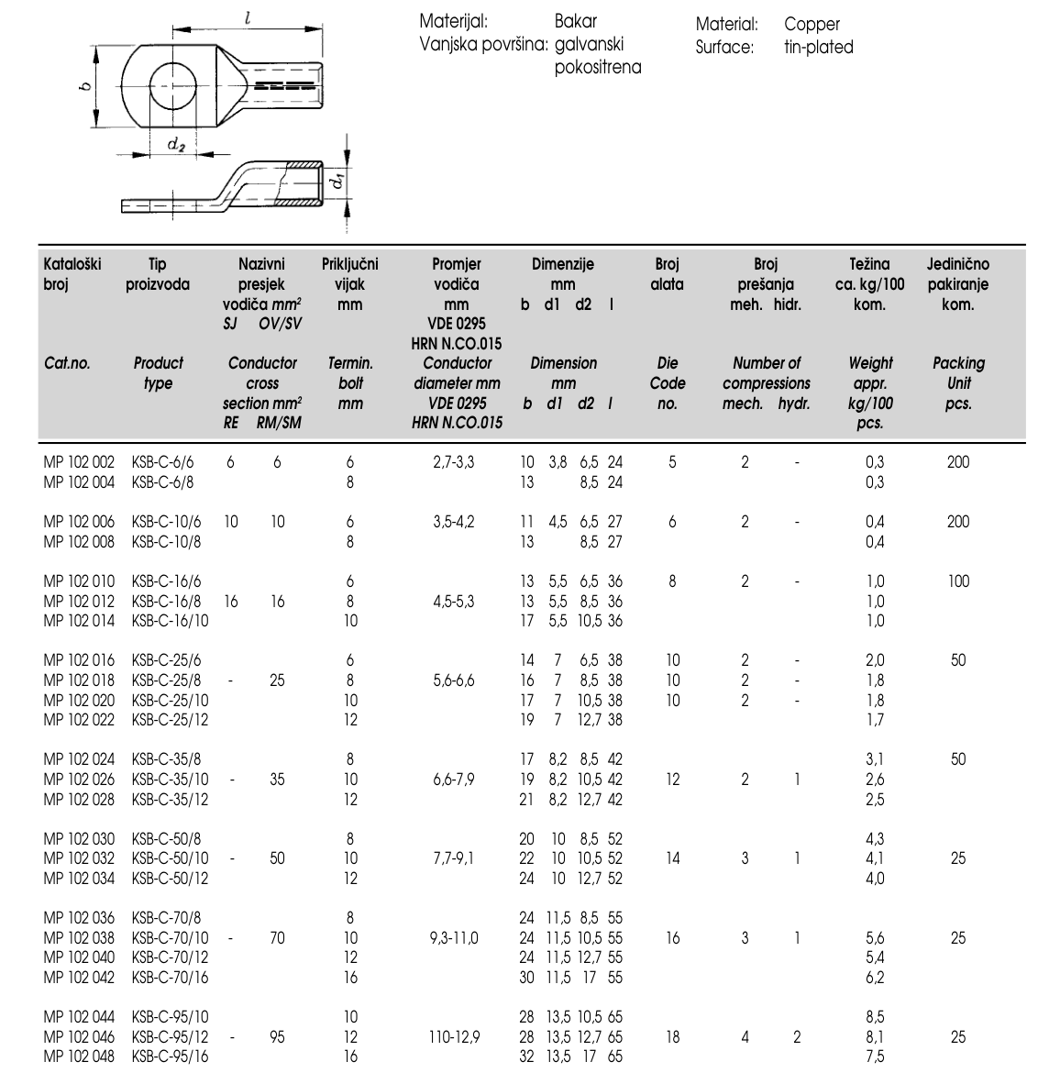
MCC Normal | promjer | količina kabela | Uvodnica Jacob metalna | količina uvodnica | Stopice | količina stopica | količina stopica | Napomena
U1000R2V 4G2,5 | 11.1 mm | 26 kom | M20 | 26 kom | stopica 2,5mm2 | 104 kom |  | 2 uvodnice po motoru
U1000R2V 4G6 | 14.3 mm | 1 kom | M25 | 1 kom | KSB-C 6/6 | 4 kom
U1000R2V 4G25 | 22.8 mm | 1 kom | M40 | 1 kom | KSB-C 25/6 | 4 kom

MCC Emergency
U1000R2V 4G2,5 | 11.1 mm | 12 kom | M20 | 12 kom | stopica 2,5mm2 | 48 kom
U1000R2V 4G6 | 14.3 mm | 1 kom | M25 | 1 kom | KSB-C 6/6 | 4 kom
U1000R2V 4G4 | 12.3 mm | 2 kom | M20 | 2 kom | stopica 4mm2 | 8 kom
NYCWY 3x35/16 | 32.1 mm | 0 kom | M50 | 0 kom | KSB-C 16/6 | 0 kom |  | NYCWY 3x35/16 -> 2XSL(St)CYK-J 4G50 (3x50/25)
NYCWY 3x6/6 | 15.6 mm | 5 kom | M25 | 5 kom | KSB-C 6/6 | 20 kom |  | NYCWY 3x6/6 -> 2XSL(St)CYK-J 4G6 (3x6/6)

Ukupno
 |  |  | M20 | 40
 |  |  | M25 | 2
 |  |  | M40 | 1

Signali - NORD - reducir uvodnica
U1000R2V 5G1,5 | 10.7 mm | 19 kom | M20 | 19 kom | mala stopica | 76 kom |  | ide u bananu, nije potrebna uvodnica

 |  |  | M32->M20

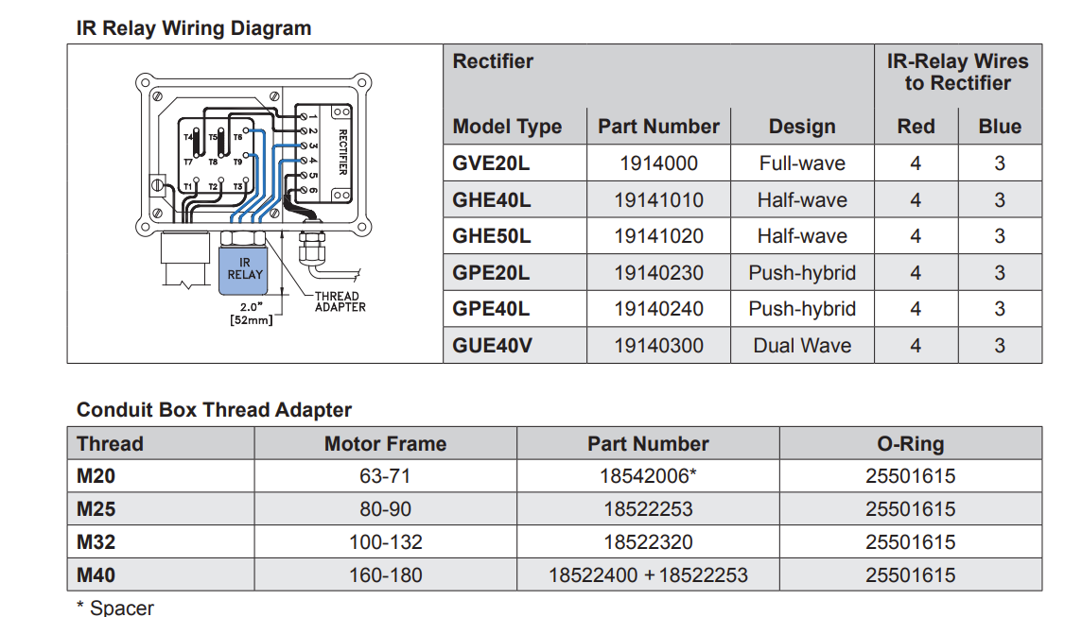
Naručiti | Narudžbeni broj | Količina | Spare | Ukupno
M32 | 50.632 M | 2 kom | 20 % | 2 kom | 14-20mm
M32x1,5 - reducir | 50.632 M/R | 42 kom | 30 % | 55 kom | 12-20mm
M40 | 50.640 M | 1 kom | 50 % | 2 kom
stopica 2,5mm2 |  | 152 kom | 20 % | 182 kom
stopica 4mm2 |  | 8 kom | 20 % | 10 kom
KSB-C 6/6 | MP 102 002 | 8 kom | 20 % | 10 kom
KSB-C 25/6 | MP 102 016 | 4 kom | 20 % | 5 kom

Motor koji koristimo | Uvodnica | Stopica
NORD SK3282ABGH-100LP/4 TF -> 100 frame | M32 x2 | M6 | https://nordgearmotors.com/nord-clincher-catalog/#SK3282

